pkenniel
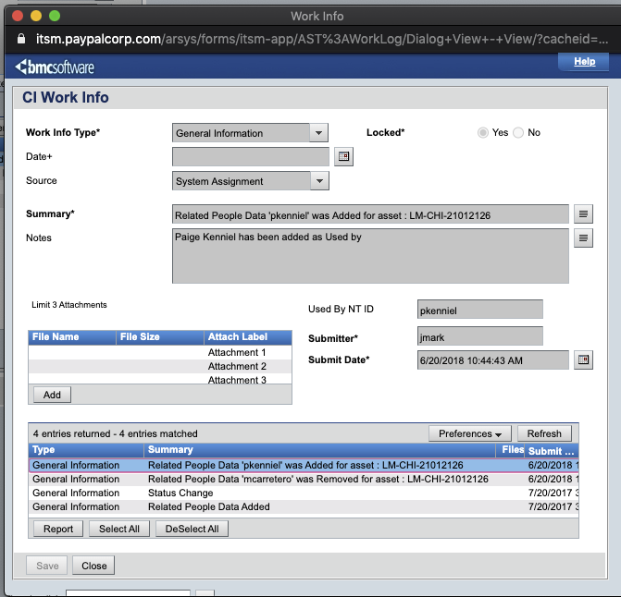
per ITSM, it shows that the asset was added for the user"pkenniel" but no acter after that. User last day was 4.8.2019. how do we show evidence that the asset was collected.

